Clients Requirement
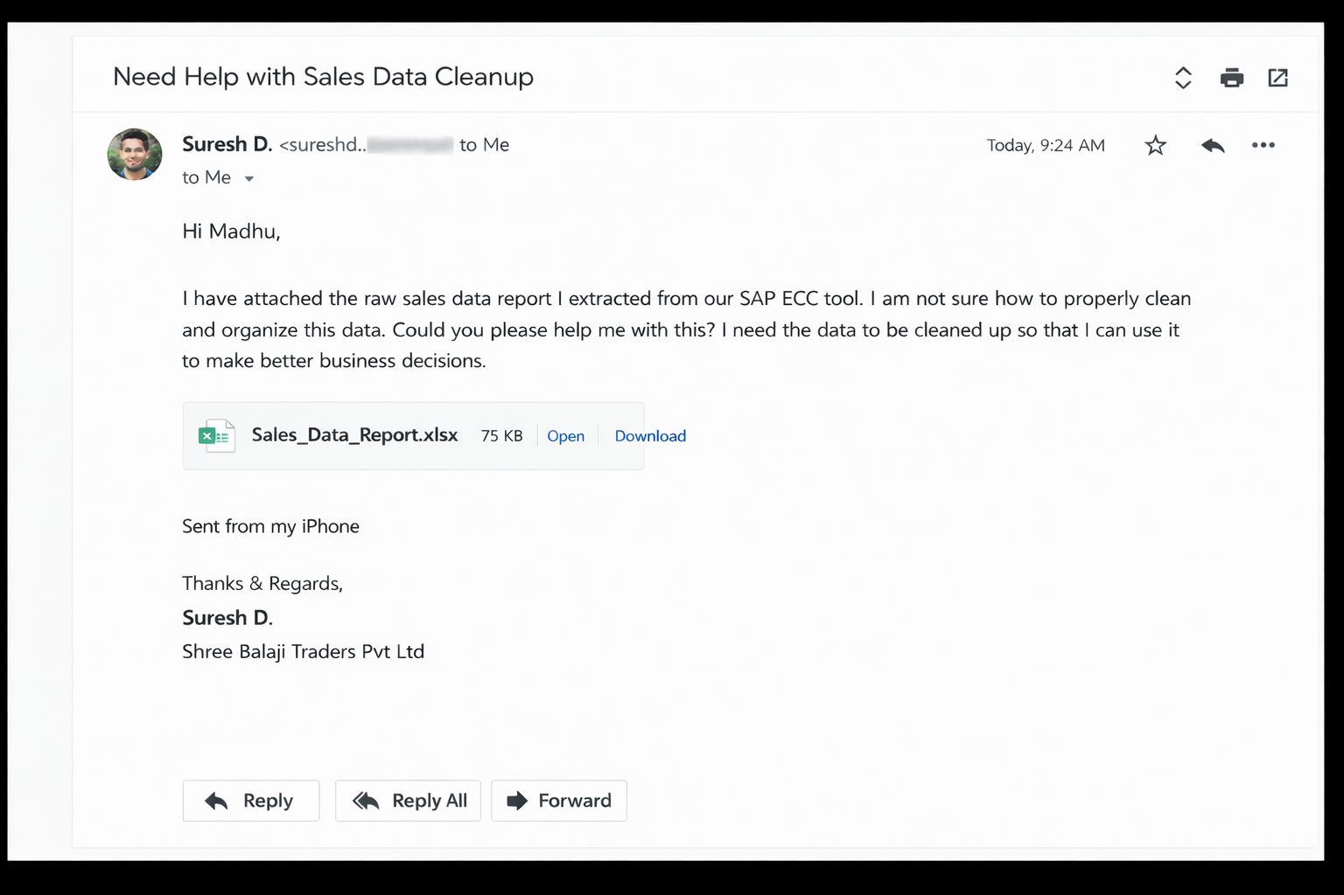
Client's Requirement

